Case #1
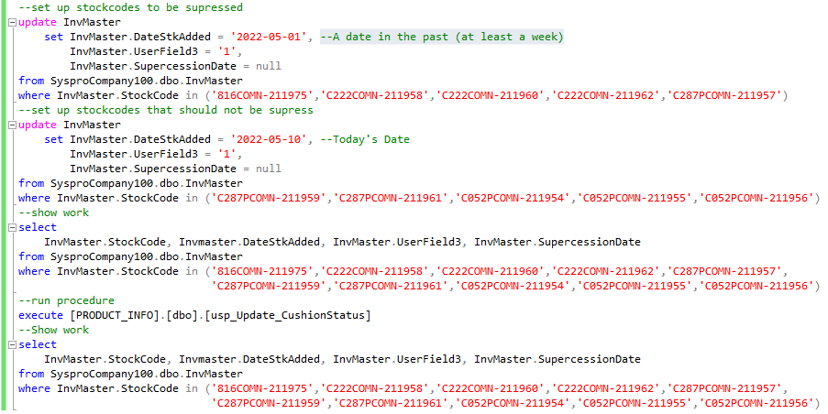
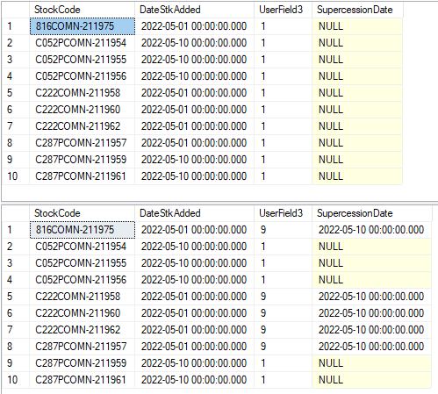
Justin Pope Dev Test
Test Case No. | 1
Process | Test Stock Codes to be processed
Test Consideration | 1) Run sql update and queries
Test Condition |  | Data Used | How To Verify | Actual Results
Tasks
1 | Update InvMaster records | Screen Shot | query database | screen shot
2 | Execute update procedure | Screen Shot | query database | screen shot
Verification
Test Cast Screens Shots Before and After
Script |  |  |  | Results

